CIRCULATORY SYSTEM
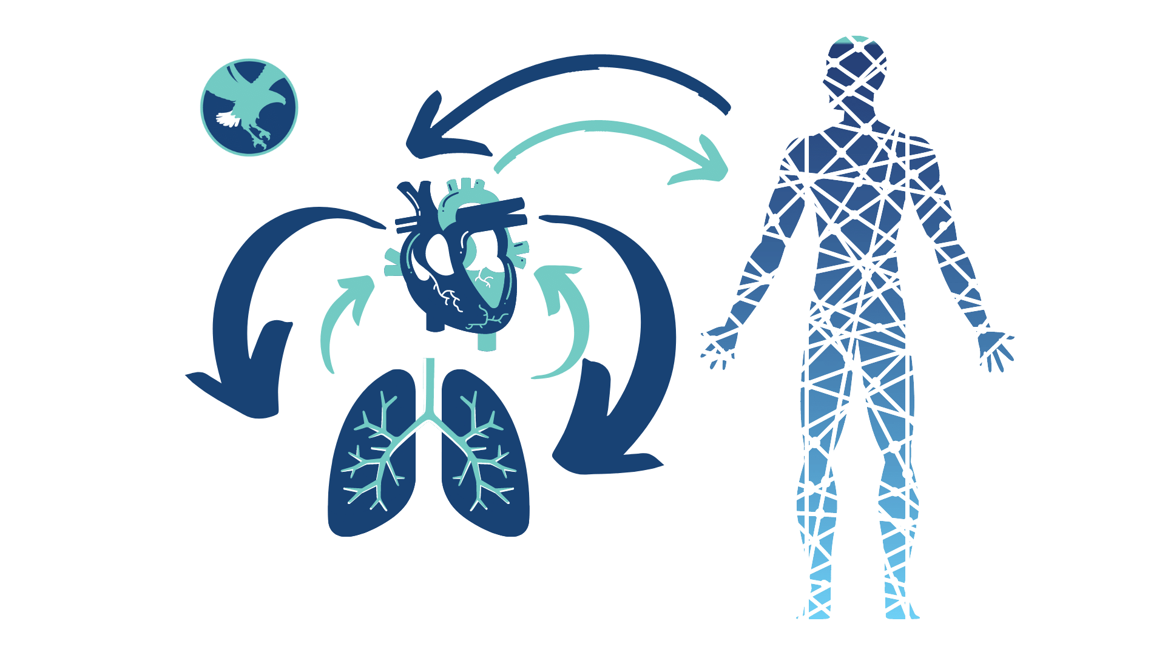
IM CIRCULATORY SYSTEM

Take control of your budget... Live your best life.

INFLOWS

EARNED INCOME | W-2 | $0.00 |  | EARNED INCOME | W-2 |  | $0.00
 | 1099 (Schedule C) | $0.00 |  |  | 1099 (Schedule C) |  | $0.00
 | K-1 | $0.00 |  |  | K-1 |  | $0.00
 | TOTAL ANNUAL | $0.00 |  |  | TOTAL ANNUAL |  | $0.00

UNEARNED INCOME | Dividends (1099 DIV) | $0.00 |  | UNEARNED INCOME | Dividends (1099 DIV) |  | $0.00
 | Interest (1099-INT) | $0.00 |  |  | Interest (1099-INT) |  | $0.00
 | Annuity Income (1099 R) | $0.00 |  |  | Annuity Income (1099 R) |  | $0.00
 | IRA Distributons (1099 R) | $0.00 |  |  | IRA Distributons (1099 R) |  | $0.00
 | Deferred Comp Income | $0.00 |  |  | Deferred Comp Income |  | $0.00
 | Rental Income (Schedule E) | $0.00 |  |  | Rental Income (Schedule E) |  | $0.00
 | Royalties (Schedule E/C) | $0.00 |  |  | Royalties (Schedule E/C) |  | $0.00
 | Alimony | $0.00 |  |  | Alimony |  | $0.00
 | OTHER | $0.00 |  |  | OTHER |  | $0.00
 | TOTAL ANNUAL | $0.00 |  |  | TOTAL ANNUAL |  | $0.00

CAPITAL GAINS | Short Term Capital Gains | $0.00 |  | CAPITAL GAINS | Short Term Capital Gains |  | $0.00
 | Long Term Capital Gains | $0.00 |  |  | Long Term Capital Gains |  | $0.00
 | OTHER | $0.00 |  |  | OTHER |  | $0.00
 | TOTAL ANNUAL | $0.00 |  |  | TOTAL ANNUAL |  | $0.00

RETIREMENT ACCOUNT INCOME | PENSION | $0.00 |  | RETIREMENT ACCOUNT INCOME | PENSION |  | $0.00
 | RMD's | $0.00 |  |  | RMD's |  | $0.00
 | OTHER (Distributions) | $0.00 |  |  | OTHER (Distributions) |  | $0.00
 | TOTAL ANNUAL | $0.00 |  |  | TOTAL ANNUAL |  | $0.00

SOCIAL SECURITY INCOME | Social Security Retirement Income | $0.00 |  | SOCIAL SECURITY INCOME | Social Security Retirement Income |  | $0.00
 | Social Security Disability Income | $0.00 |  |  | Social Security Disability Income |  | $0.00
 | Social Security Survivor Income | $0.00 |  |  | Social Security Survivor Income |  | $0.00
 | TOTAL ANNUAL | $0.00 |  |  | TOTAL ANNUAL |  | $0.00

TAXABLE INSURANCE CLAIM INCOME | Taxable Disability Policy Income | $0.00 |  | TAXABLE INSURANCE CLAIM INCOME | Taxable Disability Policy Income |  | $0.00
 | Taxable Life Insurance Policy Income | $0.00 |  |  | Taxable Life Insurance Policy Income |  | $0.00
 | OTHER | $0.00 |  |  | OTHER |  | $0.00
 | TOTAL ANNUAL | $0.00 |  |  | TOTAL ANNUAL |  | $0.00

TAX FREE INSURANCE CLAIM INCOME | Tax-Free Disability Policy Income | $0.00 |  | TAX FREE INSURANCE CLAIM INCOME | Tax-Free Disability Policy Income |  | $0.00
 | Tax-Free Long Term Care Policy Income | $0.00 |  |  | Tax-Free Long Term Care Policy Income |  | $0.00
 | Tax-Free Life Insurance Death Claim(s) | $0.00 |  |  | Tax-Free Life Insurance Death Claim(s) |  | $0.00
 | OTHER | $0.00 |  |  | OTHER |  | $0.00
 | TOTAL ANNUAL | $0.00 |  |  | TOTAL ANNUAL |  | $0.00

TAX FREE MISC. INCOME | Child Support | $0.00 |  | TAX FREE MISC. INCOME | Child Support |  | $0.00
 | Gifted Assets | $0.00 |  |  | Gifted Assets |  | $0.00
 | OTHER | $0.00 |  |  | OTHER |  | $0.00
 | TOTAL ANNUAL | $0.00 |  |  | TOTAL ANNUAL |  | $0.00

OUTFLOWS

HOUSING / BASICS | MONTHLY | ANNUAL |  | CHILDREN | MONTHLY |  | ANNUAL
Rent | $0.00 | $0.00 |  | Day Care | $0.00 |  | $0.00
Mortgage 1 (Primary) | $0.00 | $0.00 |  | Babysitter / Nanny | $0.00 |  | $0.00
Mortgage 2 (Cottage) | $0.00 | $0.00 |  | Athletics | $0.00 |  | $0.00
Mortgage 3 | $0.00 | $0.00 |  | Private K-12 School | $0.00 |  | $0.00
Mortgage 4 | $0.00 | $0.00 |  | College Tuition | $0.00 |  | $0.00
PROPERTY TAXES | $0.00 | $0.00 |  | School Supplies | $0.00 |  | $0.00
Association Dues | $0.00 | $0.00 |  | Summer Camps etc. | $0.00 |  | $0.00
Maintenance or Repairs | $0.00 | $0.00 |  | Birthday Parties | $0.00 |  | $0.00
Cell Phones | $0.00 | $0.00 |  | Summer Camps etc. | $0.00 |  | $0.00
Electricity | $0.00 | $0.00 |  | Academic Clubs | $0.00 |  | $0.00
Gas | $0.00 | $0.00 |  | Music Lessons | $0.00 |  | $0.00
Water and Sewer | $0.00 | $0.00 |  | Clothing | $0.00 |  | $0.00
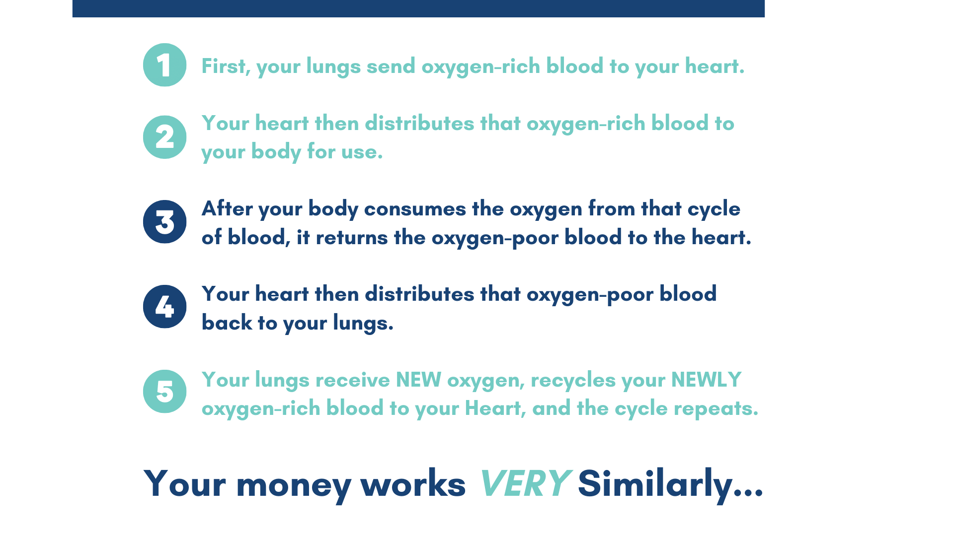
Cable | $0.00 | $0.00 |  | Medical Expenses | $0.00 |  | $0.00
Internet | $0.00 | $0.00 |  | Allowance / Fun Money | $0.00 |  | $0.00
Waste Removal | $0.00 | $0.00 |  | Counseling / Coaching | $0.00 |  | $0.00
Lawn Care / Snow Plow | $0.00 | $0.00 |  | Subtotal | $0.00 |  | $0.00
Cleaning Service | $0.00 | $0.00
Security System | $0.00 | $0.00 |  | LIFESTYLE / PASSION | MONTHLY |  | ANNUAL
Other | $0.00 | $0.00 |  | TRAVEL / VACATION | $0.00 |  | $0.00
Other | $0.00 | $0.00 |  | Movies/Concerts/Theater | $0.00 |  | $0.00
Subtotal | $0.00 | $0.00 |  | SPORTING EVENTS | $0.00 |  | $0.00
 |  |  |  | FESTIVALS | $0.00 |  | $0.00
VEHICLES | MONTHLY | ANNUAL |  | GOLF | $0.00 |  | $0.00
Car Payment 1 | $0.00 | $0.00 |  | ART / Creating | $0.00 |  | $0.00
Car Payment 2 | $0.00 | $0.00 |  | ART / Shopping & Trading | $0.00 |  | $0.00
Car Payment 3 | $0.00 | $0.00 |  | Night Life / Social | $0.00 |  | $0.00
Car Payment 4 | $0.00 | $0.00 |  | Hunting / Fishing | $0.00 |  | $0.00
Gasoline | $0.00 | $0.00 |  | Camping / Hiking | $0.00 |  | $0.00
Car Maintenance | $0.00 | $0.00 |  | Gardening Material | $0.00 |  | $0.00
Car Washes | $0.00 | $0.00 |  | Home Brewing / Vinyard | $0.00 |  | $0.00
Bus/taxi fare | $0.00 | $0.00 |  | Athletic Leaugues | $0.00 |  | $0.00
Plate Renewals | $0.00 | $0.00 |  | Dance / Music Lessons | $0.00 |  | $0.00
Boat | $0.00 | $0.00 |  | Other | $0.00 |  | $0.00
Marina / Club / Fuel | $0.00 | $0.00 |  | Other | $0.00 |  | $0.00
Boat Maintenance | $0.00 | $0.00 |  | Subtotal | $0.00 |  | $0.00
Other | $0.00 | $0.00
Subtotal | $0.00 | $0.00 |  | PERSONAL DEBT | MONTHLY |  | ANNUAL
 |  |  |  | STUDENT LOANS SPOUSE 1 | $0.00 |  | $0.00
INSURANCE | MONTHLY | ANNUAL |  | STUDENT LOANS SPOUSE 2 | $0.00 |  | $0.00
Home Owners | $0.00 | $0.00 |  | Home Equity LOC (HELOC) | $0.00 |  | $0.00
Auto Insurance | $0.00 | $0.00 |  | Line of Credit (LOC) | $0.00 |  | $0.00
Umbrella Policy | $0.00 | $0.00 |  | Personal Loans | $0.00 |  | $0.00
Health Ins (RETIRED ONLY) | $0.00 | $0.00 |  | Credit card | $0.00 |  | $0.00
Disability Insurance | $0.00 | $0.00 |  | Credit card | $0.00 |  | $0.00
Disability Insurance | $0.00 | $0.00 |  | Credit card | $0.00 |  | $0.00
Disability Insurance | $0.00 | $0.00 |  | Other | $0.00 |  | $0.00
Disability Insurance | $0.00 | $0.00 |  | Subtotal | $0.00 |  | $0.00
Life Insurance | $0.00 | $0.00
Life Insurance | $0.00 | $0.00 |  | PROFESSIONAL FEES | MONTHLY |  | ANNUAL
Life Insurance | $0.00 | $0.00 |  | Wealth Consulting | $0.00 |  | $0.00
Life Insurance | $0.00 | $0.00 |  | Tax Consulting | $0.00 |  | $0.00
Long Term Care Ins. | $0.00 | $0.00 |  | Legal Consulting | $0.00 |  | $0.00
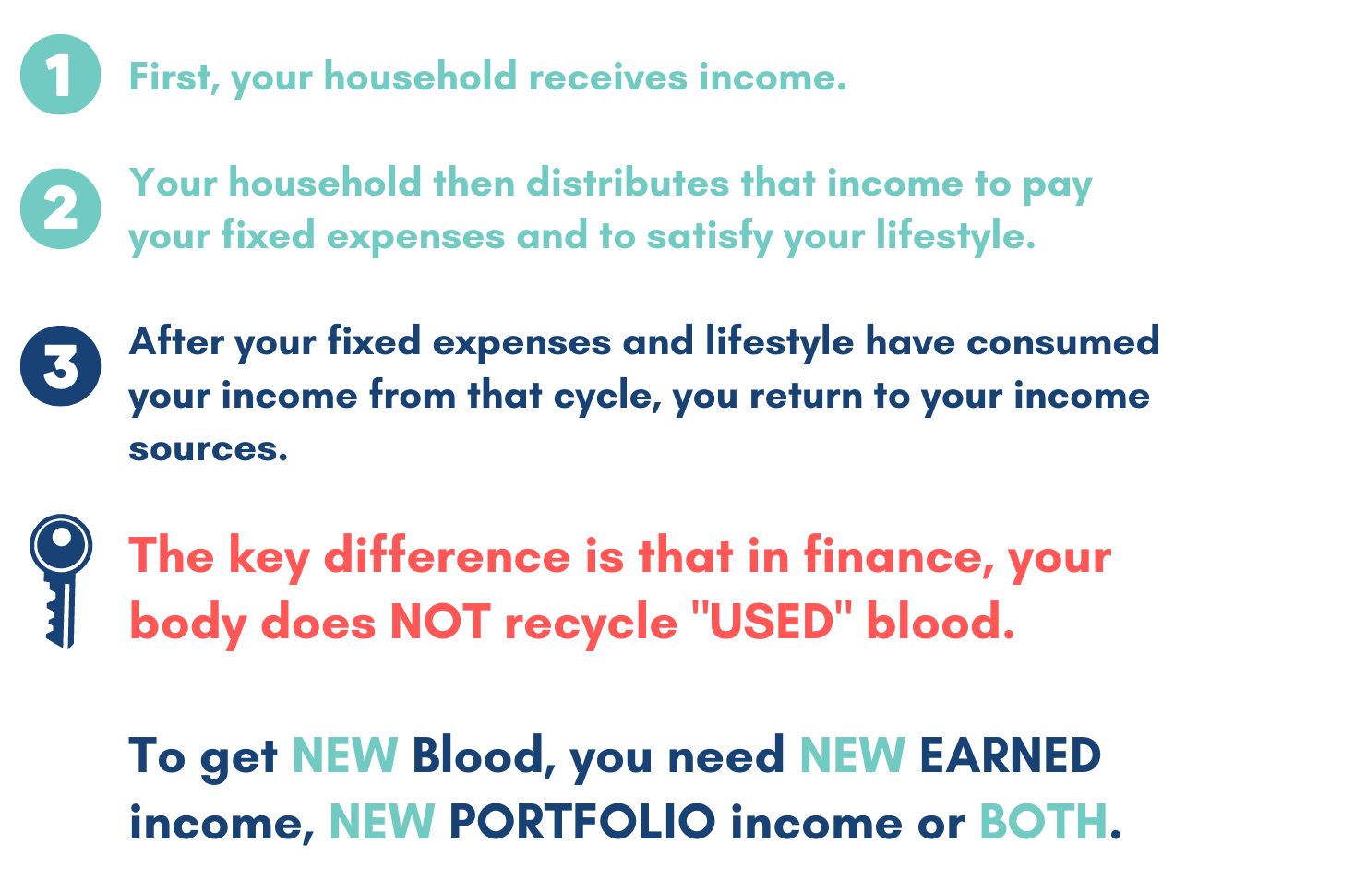
Buy-Sell Insurance | $0.00 | $0.00 |  | Counseling | $0.00 |  | $0.00
Other | $0.00 | $0.00 |  | Other | $0.00 |  | $0.00
Subtotal | $0.00 | $0.00 |  | Subtotal | $0.00 |  | $0.00

FOOD | MONTHLY | ANNUAL |  | SUBSCRIPTIONS | MONTHLY |  | ANNUAL
Groceries | $0.00 | $0.00 |  | YouTube TV | $0.00 |  | $0.00
Breakfast/Lunch @ work | $0.00 | $0.00 |  | Hulu | $0.00 |  | $0.00
Dining out | $0.00 | $0.00 |  | Netflix | $0.00 |  | $0.00
Dinner Parties | $0.00 | $0.00 |  | Apple TV | $0.00 |  | $0.00
Other | $0.00 | $0.00 |  | Apple Music | $0.00 |  | $0.00
Subtotal | $0.00 | $0.00 |  | Amazon Prime | $0.00 |  | $0.00
 |  |  |  | Shipt | $0.00 |  | $0.00
PETS | MONTHLY | ANNUAL |  | Spotify | $0.00 |  | $0.00
Food/Toys | $0.00 | $0.00 |  | HBO Max | $0.00 |  | $0.00
Medical/VET | $0.00 | $0.00 |  | Disney+ | $0.00 |  | $0.00
Pet Insurance | $0.00 | $0.00 |  | ESPN+ | $0.00 |  | $0.00
Pet Sitter/Day Care | $0.00 | $0.00 |  | Other | $0.00 |  | $0.00
Training / Grooming | $0.00 | $0.00 |  | Other | $0.00 |  | $0.00
Subtotal | $0.00 | $0.00 |  | Other | $0.00 |  | $0.00
 |  |  |  | Subtotal | $0.00 |  | $0.00
PERSONAL CARE | MONTHLY | ANNUAL
Medical Prescriptions | $0.00 | $0.00 |  | GIFTS & CELEBRATIONS | MONTHLY |  | ANNUAL
Misc.Pharmacy Supplies | $0.00 | $0.00 |  | Holiday Gifts | $0.00 |  | $0.00
Medical Misc. Exp | $0.00 | $0.00 |  | Birthday Gifts | $0.00 |  | $0.00
Hair Care SPOUSE 1 | $0.00 | $0.00 |  | Anniversaries | $0.00 |  | $0.00
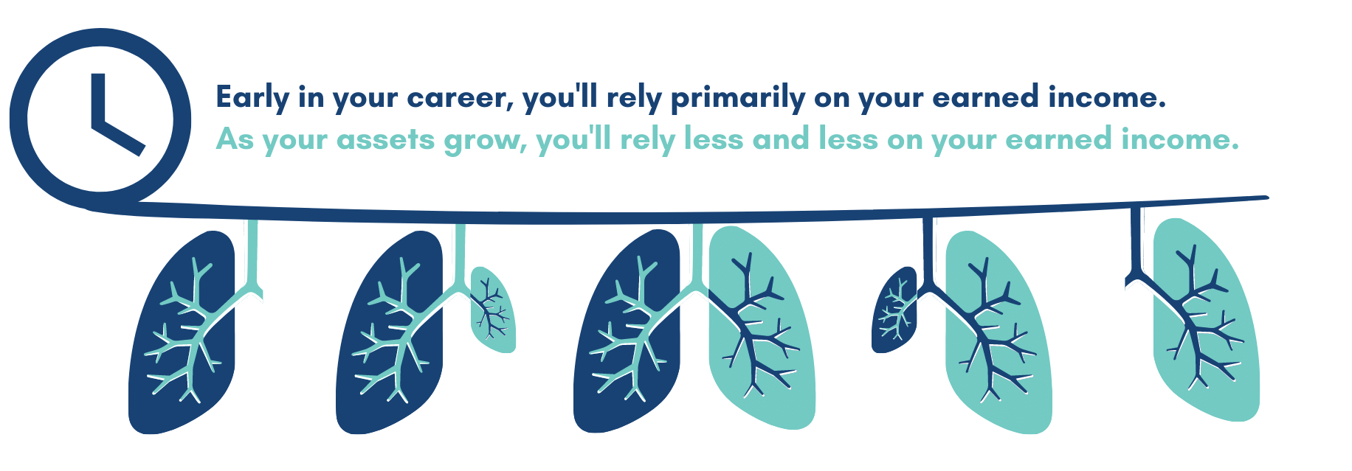
Hair Care SPOUSE 2 | $0.00 | $0.00 |  | Valentines Day | $0.00 |  | $0.00
Nails / Spa | $0.00 | $0.00 |  | OTHER | $0.00 |  | $0.00
Chiropractor / Massage | $0.00 | $0.00 |  | OTHER | $0.00 |  | $0.00
Health Club / Gym | $0.00 | $0.00 |  | OTHER | $0.00 |  | $0.00
Personal Trainer / Class | $0.00 | $0.00 |  | Subtotal | $0.00 |  | $0.00
Country Club Dues | $0.00 | $0.00
Athletic Lessons | $0.00 | $0.00 |  | POST-TAX OBLIGATIONS | MONTHLY |  | ANNUAL
Nutrition Coach | $0.00 | $0.00 |  | Parental Financial Support | $0.00 |  | $0.00
New Clothes | $0.00 | $0.00 |  | Child Support | $0.00 |  | $0.00
Dry Cleaning | $0.00 | $0.00 |  | NQ Brokerage | $0.00 |  | $0.00
Other | $0.00 | $0.00 |  | NQ Savings | $0.00 |  | $0.00
Other | $0.00 | $0.00 |  | Back-Door Roth Planning | $0.00 |  | $0.00
Other | $0.00 | $0.00 |  | Other | $0.00 |  | $0.00
Subtotal | $0.00 | $0.00 |  | Subtotal | $0.00 |  | $0.00

SUMMARIES

LONG TERM CAPITAL GAINS |  |  |  | LONG TERM CAPITAL GAINS |  | $0.00
 |  |  |  | CAPITAL LOSSES |  | $0.00
 |  |  |  | TOTAL ANNUAL |  | $0.00
 |  |  |  | ESTIMATED TAX LIABILITY |  | $0.00

TOTAL TAX FREE INCOME |  |  |  | TAX FREE INSURANCE INCOME |  | $0.00
 |  |  |  | TAX FREE MISCELLANEOUS INCOME |  | $0.00
 |  |  |  | TOTAL ANNUAL |  | $0.00

TOTAL TAXABLE INCOME |  |  |  | EARNED INCOME |  | $0.00
 |  |  |  | UNEARNED INCOME |  | $0.00
 |  |  |  | SOCIAL SECURITY INCOME |  | $0.00
 |  |  |  | RETIREMENT ACCOUNT INCOME |  | $0.00
 |  |  |  | SHORT TERM CAPITAL GAINS |  | $0.00
 |  |  |  | TAXABLE INSURANCE RELATED INCOME |  | $0.00
 |  |  |  | TOTAL ANNUAL |  | $0.00

ABOVE THE LINE DEDUCTIONS

RETIREMENT DEFERRALS |  |  |  | 401K / 403B Contributions SPOUSE 1 |  | $-
 |  |  |  | 401K / 403B Contributions SPOUSE 2 |  | $-
 |  |  |  | 457 Def. Comp. Contributions SPOUSE 1 |  | $-
 |  |  |  | 457 Def. Comp. Contributions SPOUSE 2 |  | $-
 |  |  |  | Profit Sharing / SEP IRA Contr. SPOUSE 1 |  | $-
 |  |  |  | Profit Sharing / SEP IRA Contr. SPOUSE 2 |  | $-
 |  |  |  | OTHER |  | $-
 |  |  |  | TOTAL ANNUAL |  | $-

EMPLOYER BENEFIT DEDUCTIONS |  |  |  | Group Health Insurance SPOUSE 1 |  | $-
 |  |  |  | Group Health Insurance SPOUSE 2 |  | $-
 |  |  |  | Group Life Insurance SPOUSE 1 |  | $-
 |  |  |  | Group Life Insurance SPOUSE 2 |  | $-
 |  |  |  | Group Disability Ins. SPOUSE 1 |  | $-
 |  |  |  | Group Disability Ins. SPOUSE 2 |  | $-
 |  |  |  | HSA / FSA Contributions HOUSEHOLD |  | $-
 |  |  |  | OTHER |  | $-
 |  |  |  | OTHER |  | $-
 |  |  |  | TOTAL ANNUAL |  | $-

OTHER ABOVE THE LINE DEDUCTIONS |  |  |  | Business Entity 1 Operating Expenses |  | $-
 |  |  |  | Business Entity 2 Operating Expenses |  | $-
 |  |  |  | Business Entity 3 Operating Expenses |  | $-
 |  |  |  | Capital Losses (3k Max) |  | $-
 |  |  |  | Alimony |  | $-
 |  |  |  | OTHER |  | $-
 |  |  |  | OTHER |  | $-
 |  |  |  | TOTAL ANNUAL |  | $-

 |  |  |  | TOTAL (ATL) DEDUCTIONS |  | $-

 |  |  |  | AGI |  | $-

BELOW THE LINE DEDUCTIONS

SCHEDULE A ITEMIZED DEDUCTIONS |  |  |  | CHARITY 1 |  | $-
 |  |  |  | CHARITY 2 |  | $-
 |  |  |  | DONOR ADVISED FUND |  | $-
 |  |  |  | Medical Expenses (In excess of 7.5% AGI) |  | $-
 |  |  |  | MORTGAGE INTEREST (on first 750k of mortg.) |  | $- |  | https://www.calculator.net/amortization-calculator.html
 |  |  |  | SALT (State And Local Taxes) Capped @ 40k on OBBBA |  | $-
 |  |  |  | OTHER |  | $-
 |  |  |  | TOTAL ANNUAL |  | $-

STANDARD DEDUCTION |  |  |  | MFJ |  | $-
 |  |  |  | MFS |  | $-
 |  |  |  | SINGLE |  | $-
 |  |  |  | HEAD OF HOUSEHOLD |  | $-
 |  |  |  | OTHER |  | $-
 |  |  |  | OTHER |  | $-
 |  |  |  | OTHER |  | $-
 |  |  |  | TOTAL ANNUAL |  | $-

 |  |  |  | TOTAL (BTL) DEDUCTIONS |  | $-

 |  |  |  | TAXABLE INCOME |  | $-

 |  |  | State Income Tax Calc | https://smartasset.com/taxes/federal-tax-calculator
 |  |  | Fed Income Tax Calc | https://www.calculator.net/take-home-pay-calculator.html
TAX LIABILITIES |  |  |  | FEDERAL INCOME TAX |  | $-
 |  |  |  | SOCIAL SECURITY TAX |  | $-
 |  |  |  | MEDICARE TAX |  | $-
 |  |  |  | STATE INCOME TAX |  | $-
 |  |  |  | CITY INCOME TAX |  | $-
 |  |  |  | TOTAL ANNUAL |  | $-

TAX CREDITS |  |  |  | Child Tax Credit (CTC) |  | $-
 |  |  |  | Child and Dependent Care Credit |  | $-
 |  |  |  | American Opportunity Tax Credit (AOTC) |  | $-
 |  |  |  | Lifetime Learning Credit (LLC) |  | $-
 |  |  |  | Energy and Environmental Tax Credits |  | $-
 |  |  |  | OTHER |  | $-
 |  |  |  | OTHER |  | $-
 |  |  |  | TOTAL ANNUAL |  | $-

 |  |  |  | NET ANNUAL INCOME |  | $0.00

 |  |  |  | NET ANNUAL OUTFLOWS |  | $0.00

 |  |  |  | NET ANNUAL SURPLUS |  | $-

NOTES:

